Sheet1
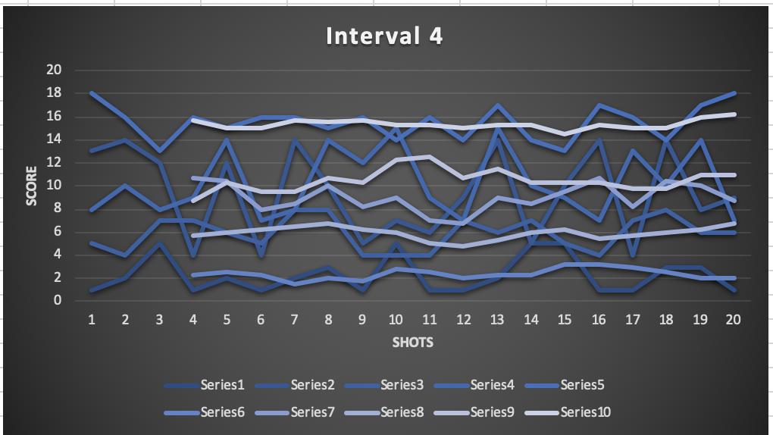
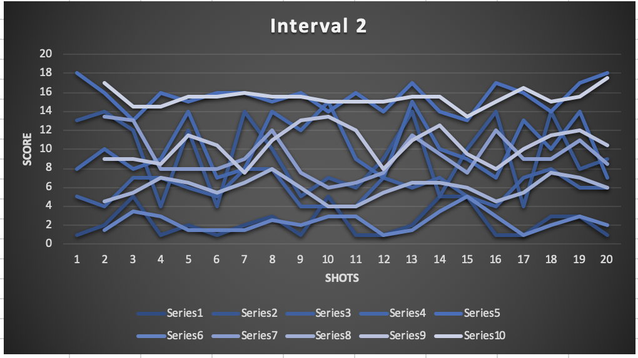
 | Subject 1 | Subject 2 | Subject 3 | Subject 4 | Subject 5 | Avg 1 | Avg 2 | Avg 3 | Avg 4 | Avg 5
Shot 1 | 1 | 13 | 5 | 8 | 18 | #N/A | #N/A | #N/A | #N/A | #N/A
Shot 2 | 2 | 14 | 4 | 10 | 16 | #N/A | #N/A | #N/A | #N/A | #N/A
Shot 3 | 5 | 12 | 7 | 8 | 13 | #N/A | #N/A | #N/A | #N/A | #N/A
Shot 4 | 1 | 4 | 7 | 9 | 16 | 2.25 | 10.75 | 5.75 | 8.75 | 15.75
Shot 5 | 2 | 12 | 6 | 14 | 15 | 2.5 | 10.5 | 6 | 10.25 | 15
Shot 6 | 1 | 4 | 5 | 7 | 16 | 2.25 | 8 | 6.25 | 9.5 | 15
Shot 7 | 2 | 14 | 8 | 8 | 16 | 1.5 | 8.5 | 6.5 | 9.5 | 15.75
Shot 8 | 3 | 10 | 8 | 14 | 15 | 2 | 10 | 6.75 | 10.75 | 15.5
Shot 9 | 1 | 5 | 4 | 12 | 16 | 1.75 | 8.25 | 6.25 | 10.25 | 15.75
Shot 10 | 5 | 7 | 4 | 15 | 14 | 2.75 | 9 | 6 | 12.25 | 15.25
Shot 11 | 1 | 6 | 4 | 9 | 16 | 2.5 | 7 | 5 | 12.5 | 15.25
Shot 12 | 1 | 9 | 7 | 7 | 14 | 2 | 6.75 | 4.75 | 10.75 | 15
Shot 13 | 2 | 14 | 6 | 15 | 17 | 2.25 | 9 | 5.25 | 11.5 | 15.25
Shot 14 | 5 | 5 | 7 | 10 | 14 | 2.25 | 8.5 | 6 | 10.25 | 15.25
Shot 15 | 5 | 10 | 5 | 9 | 13 | 3.25 | 9.5 | 6.25 | 10.25 | 14.5
Shot 16 | 1 | 14 | 4 | 7 | 17 | 3.25 | 10.75 | 5.5 | 10.25 | 15.25
Shot 17 | 1 | 4 | 7 | 13 | 16 | 3 | 8.25 | 5.75 | 9.75 | 15
Shot 18 | 3 | 14 | 8 | 10 | 14 | 2.5 | 10.5 | 6 | 9.75 | 15
Shot 19 | 3 | 8 | 6 | 14 | 17 | 2 | 10 | 6.25 | 11 | 16
Shot 20 | 1 | 9 | 6 | 7 | 18 | 2 | 8.75 | 6.75 | 11 | 16.25

